Hoja1
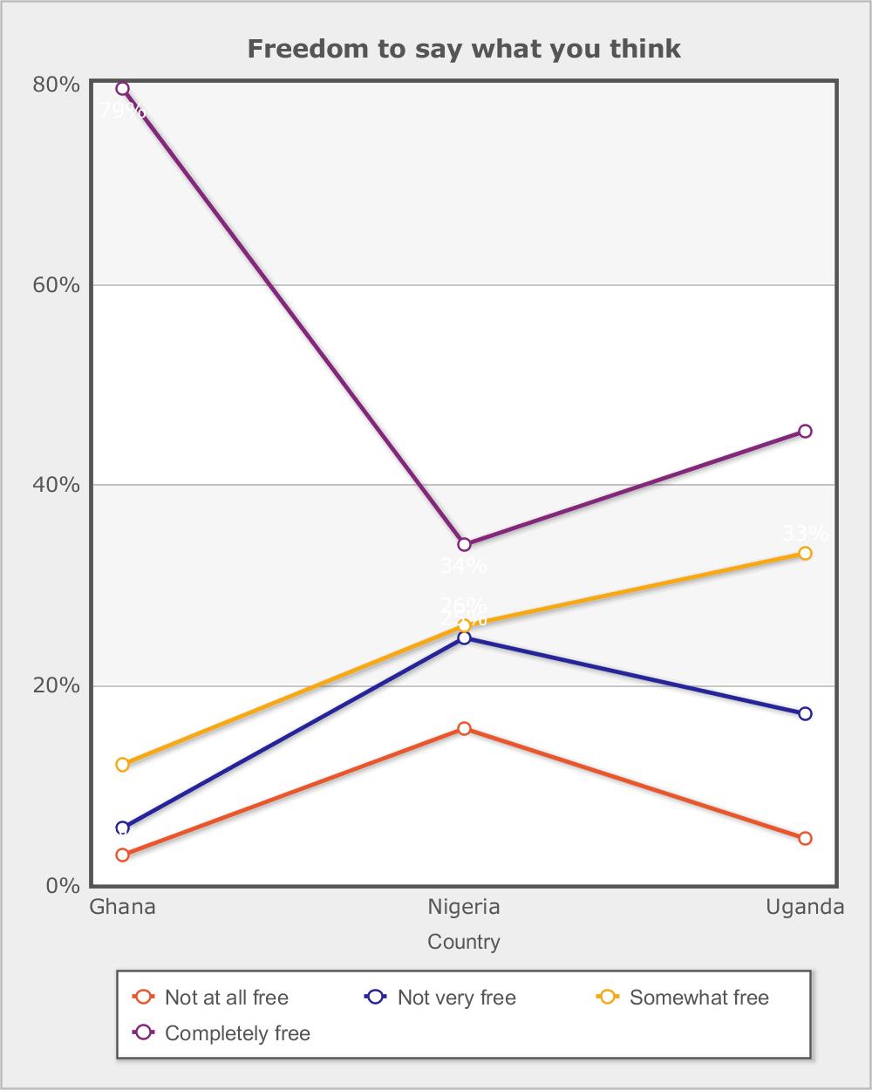
 |  |  | Afrobarometer (R4 2008/2009)
 |  |  | Freedom to say what you think
 |  |  | In this country, how free are you to say what you think.

Category | Total | Round
 |  | R4 | R5 | R6 | R7
Country - | Total
Not at all free | 6.4% | 8.3% | 5.3% | 5.7% | 6.7%
Not very free | 14.6% | 17.3% | 12.4% | 14.3% | 14.9%
Somewhat free | 26.4% | 25.4% | 28.7% | 23.7% | 27.9%
Completely free | 51.6% | 46.8% | 53.0% | 55.4% | 49.9%
Don't know | 1.1% | 2.2% | 0.6% | 0.8% | 0.7%
(N) | 25,555 (100%) | 5,955 (100%) | 7,200 (100%) | 7,200 (100%) | 5,200 (100%)
Country - | Ghana
Not at all free | 2.7% | 2.9% | 1.7% | 2.9% | 3.5%
Not very free | 6.4% | 5.6% | 4.9% | 6.2% | 8.4%
Somewhat free | 17.7% | 11.7% | 19.1% | 17.4% | 19.7%
Completely free | 72.0% | 78.1% | 73.5% | 72.5% | 67.1%
Don't know | 1.2% | 1.7% | 0.8% | 1.0% | 1.4%
(N) | 8,400 (100%) | 1,200 (100%) | 2,400 (100%) | 2,400 (100%) | 2,400 (100%)
Country - | Nigeria
Not at all free | 12.1% | 15.1% | 9.7% | 11.1% | 13.1%
Not very free | 24.3% | 23.9% | 20.7% | 28.1% | 24.5%
Somewhat free | 30.8% | 25.1% | 35.3% | 31.9% | 30.9%
Completely free | 31.7% | 33.0% | 34.0% | 28.2% | 31.4%
Don't know | 1.1% | 2.9% | 0.3% | 0.7% | 0.1%
(N) | 8,724 (100%) | 2,324 (100%) | 2,400 (100%) | 2,400 (100%) | 1,600 (100%)
Country - | Uganda
Not at all free | 4.1% | 4.5% | 4.5% | 3.2% | 4.5%
Not very free | 12.7% | 16.7% | 11.5% | 8.7% | 15.0%
Somewhat free | 30.4% | 32.5% | 31.7% | 22.0% | 40.2%
Completely free | 51.8% | 44.4% | 51.6% | 65.5% | 40.1%
Don't know | 1.0% | 1.8% | 0.7% | 0.7% | 0.3%
(N) | 8,431 (100%) | 2,431 (100%) | 2,400 (100%) | 2,400 (100%) | 1,200 (100%)

Data source: Afrobarometer

